Non Compete
Non Compete & Confidentially

The Red & Black Finance Inc (“Disclosing party”) wish to record the terms and conditions upon which the following information will be disclosed.
The “Receiving Party” refers to Route07 and its officers, associates and/or employees or any other third party acting under the instruction of Route07 who are in attendance or otherwise informed of the information provided and discussed with Route07 , its officers, associates and/or employees.
The Receiving Party may disclose the information in this document and other information discussed with them only to its associates and, if applicable, to its officers and employees and then only to such associates, officers and employees to whom such access is reasonably necessary, provided that such associates, officers and employees agree to be bound by the terms and conditions of this agreement.
The Receiving Party agrees:
Not to disclose the confidential information to any third party for any reason or purpose whatsoever without the prior written consent of the disclosing party;
Not to utilise, employ, exploit or in any other manner whatsoever use the information disclosed for any purpose whatsoever without the prior written consent of the disclosing party.
Any documentation or records relating to the Disclosing Party's information which comes into the possession of the Receiving Party:
Shall be deemed to form part of the information of the Disclosing Party:
Shall not be copied, reproduced, published or circulated by the Receiving Party ;
Shall be surrendered to the Disclosing Party on request and the Receiving Party will not retain any extracts therefrom.
All information disclosed by the Disclosing Party to the Receiving Party is acknowledged by the Receiving Party -
to be proprietary to the Disclosing party; and
not to confer any rights of whatever nature in such information to the Receiving Party.
By proceeding with the presentation or reading this document this page is assumed being read, understood and the non compete, confidentially and non-disclosure of the information contained here-in agreed to by the Receiving Party.

1. Key Features
KYC POC

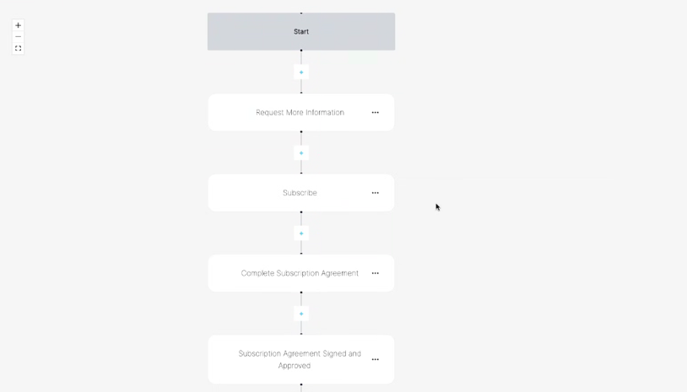
 | Know Your Client (KYC) Platform - Initial Release

 | Problem

 | The purpose of this application is to perform KYC on all investors and their related parties and sae the verification on chain to be reused.
 | The aim is to develop this as a separate module that can be whitelabelled or plugged in to another process

 | Functional requirements

 | Basic proof of concept requirements
 | Create a web front end to access the KYC process
 | Ability to customise the KYC process for customers - refer flow example tab 3 (Heading A)
 | The KYC process follows once a user has registered a new account and has not been verified before
 | The KYC process should utilised available web tools to create a profile based on various factors (e.g. risk, network, security, fraud) for each investor and its connected and related parties
 | OCR combine with available interpretation tools should review the uploaded documents and provide a pass / fail result
 | Once the investor has successfully been validated the investor can link a wallet to the relevant platform
 | User to be able to update details
 | Audit log of all changes in details to be saved on chain
 | Investor dashboard should be available

 | Admin tools
 | The entity requesting the KYC should be able to manage and edit the flow of the data (highlevel)
 | The entity requesting the KYC should be able to manage and edit the KYC process flow and fields, forms or entities attach to each step of the process.

 | Commercial phase
 | Buld full MVP
 | Download the KYC platform from Android and iOs
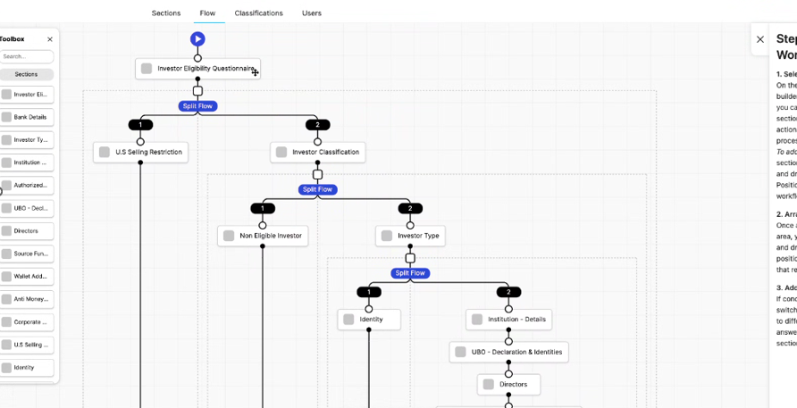
 | Built robust security cotrols
 | Delete connected parties
 | Modify connected parties
 | Build out KYC all on chain to meet regulatory requirements
 | Use AI and concatenated data to flag high risk investors
 | https://www.sanctionscanner.com/blog/what-are-kyc-and-blockchain-why-is-kyc-important-for-crypto-exchanges-636

 | Next steps
 | The risk profiling is ongoing and any changes in the risk profile fo an investor or its connected parties should be flagged via a workflow to the TractSafe team and the investor key contact

2. Process
KYC

Module
 | User logs in |  | User verification |  | Scan user |  | Onboarding complete | User create wallet & link to profile | Reporting

Actions |  |  | - Add institution details |  | - visual of nvestor profile |  | - Complete KYC | - link wallet to individual | Web view per met access example
 |  |  | - Add individual details |  | - Webscraping
 |  |  | - Pre populate institution and user details |  | - Provide risk profile based on web data
 |  |  | - upload passport and scanned OCR
 |  |  | - link to address
 |  |  | - check for validity and workflow if expired

Fields / forms |  |  | - Institution details |  | Tractsafe - proprietary process
 |  |  | - Investor type (company, family office, high netwoth individual) |  | Scan web as user completes data to pre filled data in all sections
 |  |  | - Investor eligibility questionnaire |  | Apply webscarping, sentiment analysis and data mining to assist users to complete the proces
 |  |  | - Directors declaration |  | Prepare TractSafe - Profiling - refer [A] below
 |  |  | - Names , roles, email addresses, passports, addresses
 |  |  | - Ultimate Beneficial Owner Declaration
 |  |  | - Name of Parent Entity
 |  |  | - Name of subsidiaries linked to Parent (list all known)
 |  |  | - Investor legal name
 |  |  | - Authorised persons declaration
 |  |  | - Names , roles, emails, passports, addresses
 |  |  | - Source of funds declaration
 |  |  | - Bank details

[A] | TractSafe - example Risk Profiling


 |  |  |  |  | Identity risk
 |  | Name | <insert from Passport and validate API/websearch> | Valid | e.g.
 |  | Date of birth | <insert from Passport and validate API/websearch> | Valid | Same face | Pasport picture
 |  | Passport | <insert from Passport and validate API/websearch> | Valid | Same name | facebook picture
 |  | Address | <insert from Proof of adress and web scan> | Valid | Different employer | linked in picture
 |  | Company name | <insert from linked in> | Valid | Search dates within 30 days
 |  | Directorships | List all from company house search | Valid
 |  |  |  |  | Industry risk
 |  |  |  |  | e.g.
 |  |  |  |  | Gambling company +1
 |  |  |  |  | Company name in same article as cartel +1
 | Sentiment analysis rating
 |  |  |  |  | Network risk
 |  |  |  |  | e.g.
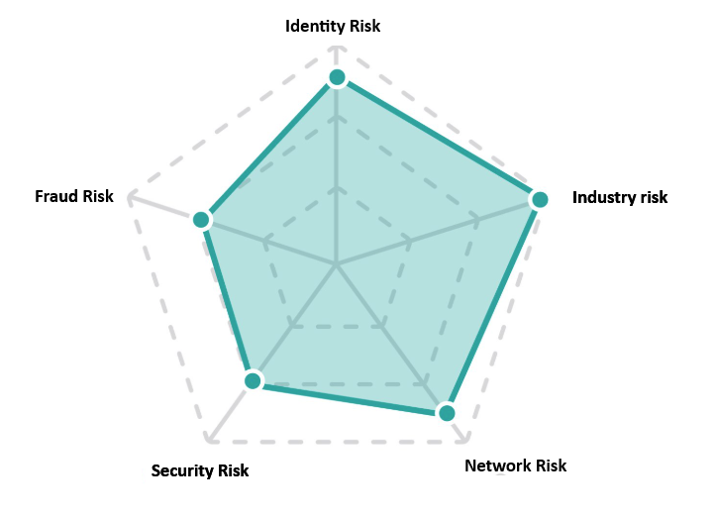
 |  |  |  |  | Someone in network is lined to gambling , fraud or legal procedings +1
 |  |  |  |  | Companies in group / subsidiaries are lined to gambling , fraud or legal procedings +1

 |  |  |  |  | Security Risk
 |  |  |  |  | e.g.
 |  |  |  |  | Person's name / credentials appears on data breaches / dark web
 |  |  |  |  | Person is blacklisted

 |  |  |  |  | Security Risk
 |  |  |  |  | e.g.
 |  |  |  |  | Person is blacklisted

3. Example screens
Normal log on process

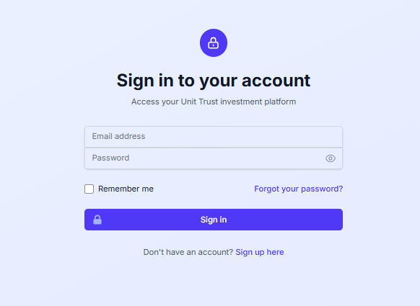

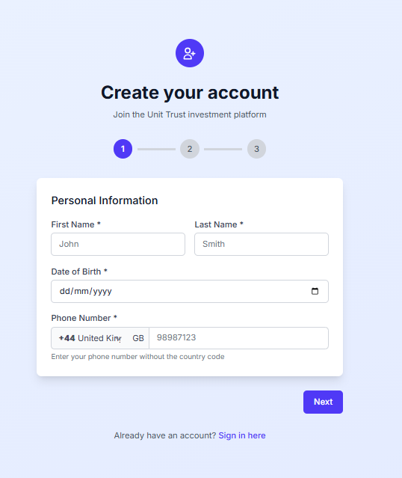

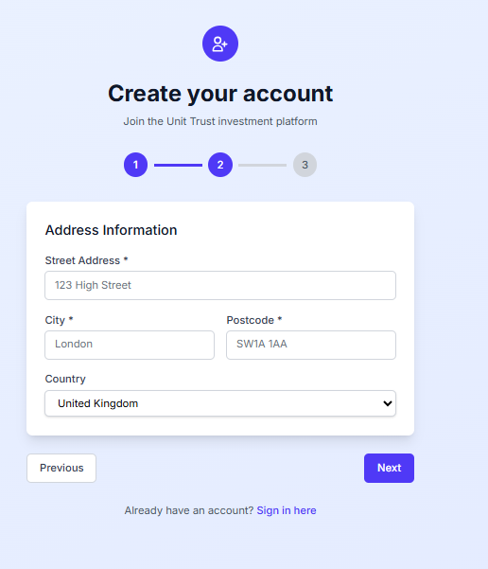

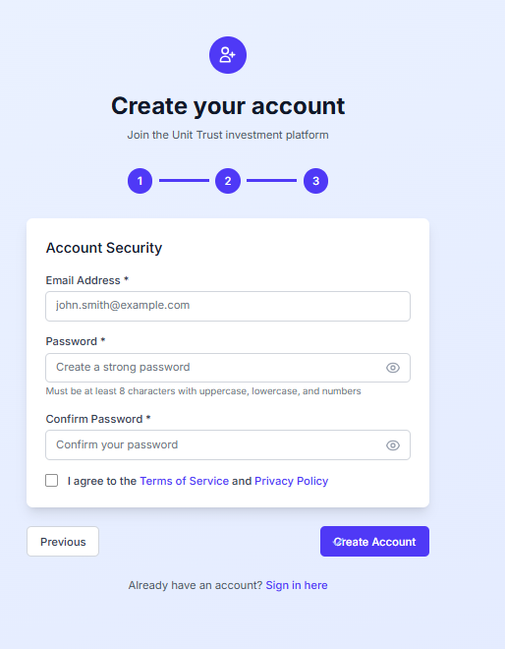

Main menu screen for KYC

 |  |  |  | TRACTSAFE KYC

Complete KYC
My Dashboard
Settings
 |  |  |  |  |  |  | User settings
 |  |  |  |  |  |  | Flow management Heading A below
 |  |  |  |  |  |  | Data field management

Log off
 |  |  |  |  |  |  |  |  | Refer App A Investor Eligibility Questionnaire
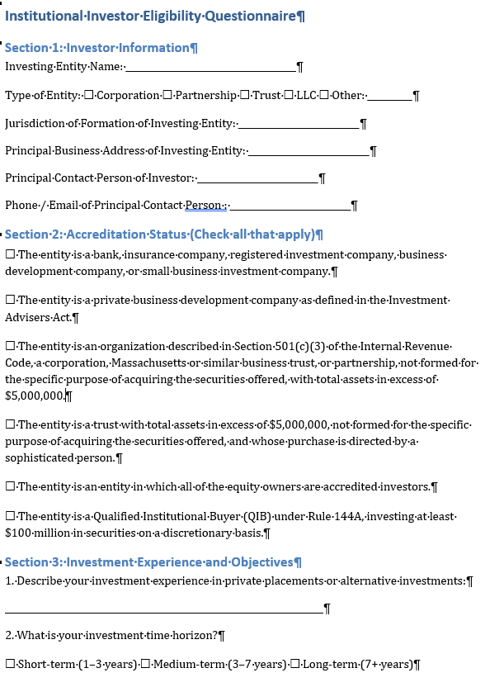

Main menu screen for KYC

 |  |  |  |  | Notes
 | Investor name, type and eligibility questionnaire |  | + |  | Use webscraping / company search and AI to suggest responses
 |  |  |  |  |  |  |  |  |  |  |  | Refer App B UBO Questionnaire
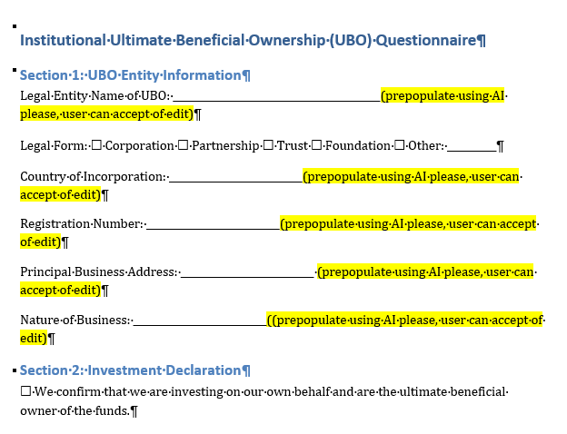
 | Ultimate Beneficial Owner Declaration |  | + | 0% completed | Use webscraping / company search and AI to suggest responses to UBO

 | Directors declaration |  | + | 12% completed | Use webscraping / company search to suggest directors of company in previous section

 | Authorised persons declaration |  | + | 0% completed | It may be more difficult to use AI here - fine to leave blank

 | Source of funds declaration |  | + | Completed

 | Bank details |  | + | Completed

 | Upload support |  | + | 6 of 10 documents uploaded |  |  |  |  |  | Refer App C Directors Declaration
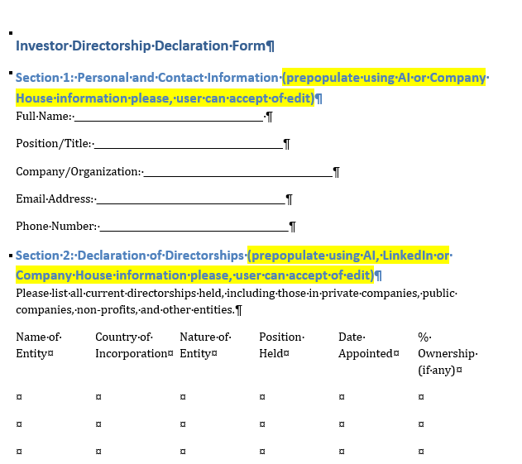
Save progress
Completed

 | Copy of bank letter | Uploaded

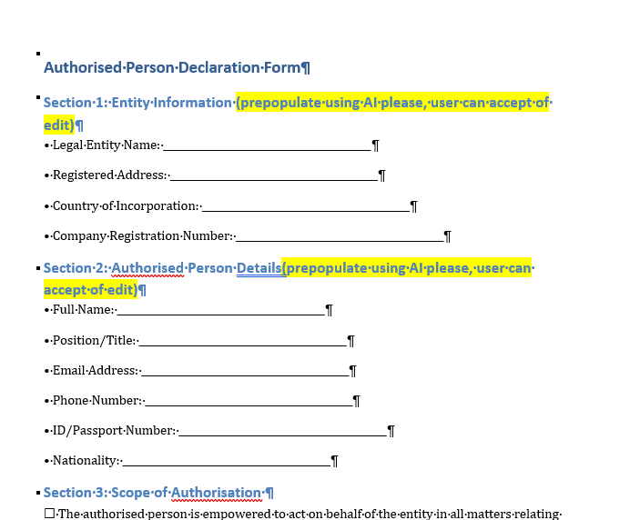
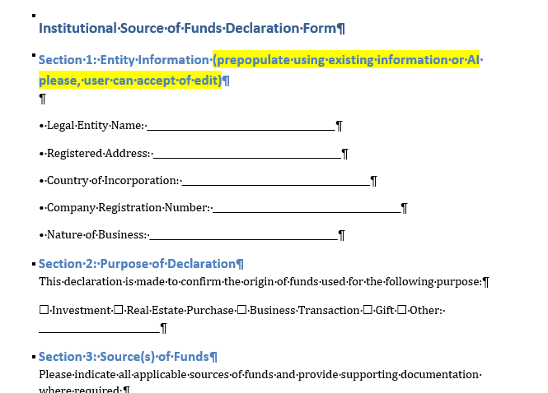
 | Copy of passports |  |  | Legal name |  | Refer App E Source of Funds declaration |  | Refer App D authorised person Declaration
 | - Director A | Uploaded |  | IBAN
 | - Director B | Awaiting upload |  | Account number
 | - Director C | Uploaded |  | Institution name

 | Copy of proof of address
 | - Director A | Awaiting upload
 | - Director B | Uploaded
 | - Director C | Awaiting upload

 | Copy of company ceertificate of incorporation
 | - Parent | Uploaded
 | - Subsidiary A | Uploaded
 | - Subsidiary B | Awaiting upload

Heading A | Flow example tab 3

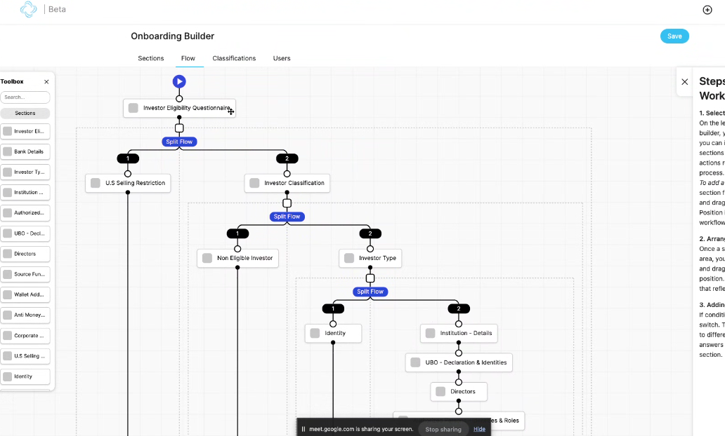

 |  |  |  |  |  |  |  |  |  |  | Note

 |  |  |  |  |  |  |  |  |  |  | Ideally , we want to have elements that the institution can add or remove from each step
 |  |  |  |  |  |  |  |  |  |  | in the flow

 |  |  |  |  |  |  |  |  |  |  | You should be able to view the code basedon ERC3643 full MIT open source licence

